관리회계손익산출
■ 본사 수출영업팀 및 해외 영업지사 관리회계 손익산출 Process ('18.12월 기준)

 | [Accounting Data 발생]
수출영업본부 (본사)
인도네시아 지사(영업법인+외주지사)
베트남 (영업지사+생산법인)
니카라과 지사
본사 영업팀
해외영업
(I)영업법인
지사
(V)지사
법인
(N)지사
매출액
매출액(Agent fee)
(I)외주관리
V1팀 직접비
V2팀 직접비
(V)제품개발실
N1팀 직접비
N2팀 직접비

매출원가
(I)영업법인 직접비
 |  |  | 현재 100% 수기반영 | 현재 100% 수기반영
팀직접비
Agent fee
(V)구매지원
(N)구매지원
(N)제품개발실
 |  | 현재 100% 수기반영
본사지원 (100%)
본사지원 (34%)
본사공통 (100%)
본사공통 (34%)
 |  |  |  |  | 현재 100% 수기반영

 | [관리회계손익 집계&산출]
수출영업본부 (본사)
본사 회계관리 시스템
인도네시아 Local 회계
베트남 Local 회계관리 시스템
니카라과 Local 회계관리 시스템
Accounting Data Source
본사 영업팀
(I)영업법인
(V)지사
(N)지사

매출액
매출원가
팀직접비
(I)영업법인 직접비
V1팀 직접비
V2팀 직접비
N1팀 직접비
N2팀 직접비

(I)외주관리
(V)구매지원
(N)구매지원
(V)제품개발실
(N)제품개발실

본사지원 (100%)
본사지원 (34%)
본사공통 (100%)
본사공통 (34%)

PMS-Process
■ PMS (Production Management System) Process MAP

 |  | Material Warehouse | Cutting | Sewing |  | Garment Stock Warehouse | EXIM

Material W/H
C.Fabric W/H
Spreading & Cutting
C.Bundle W/H
S.Bundle W/H
Sewing Line
Garment Stock Warehouse
 | Depot (수불거점)

M.W/H IN
Reg.
M.W/H OUT
Reg.
C.Fabric W/H IN
Reg.
C.Fabric W/H OUT
Reg.
Spreading & Cutting
Reg.
C.Bundle W/H IN
Reg.
C.Bundle W/H OUT
Reg.
S.Bundle W/H IN
Reg.
S.Bundle W/H OUT
Reg.
Daily Sewing Perfomance
Reg.
Ex-factory
Reg.
 | Menu & Process
Start
In Line
Production
Status
End

Trans Location / SPEC
(Location, File/Style)
Size Ratio by Marker
Reg.
Full Defect in Line
Reg.
Full Defect Deduction
Reg.
Semi Product OUT
Reg.
Semi Product IN
Reg.
G.Stock OUT
Reg.
G.Stock W/H IN
Reg.
G.Stock W/H OUT
Reg.
M.W/H IN - Plan
Reg.
Trans Information
(File/Style, Location)

Sub-processing
(Fabric Washing)
Production Process
Reg.
Sub-processing
(Print, EMB, etc.)
Sub-processing
(Print, EMB, etc.)
Return Defect to Line
Reg.
Sub-processing
(Garment Washing)

Subcontract

 | INDEX | * 공통 기초자료 : 생산지표 산정기준 Function별 인원현황, 근무시간, 급여지급내역 |  |  | * 기초자료 : Line별 생산현황, 공장별 공정별 입출고현황, Defect현황 |  | * 기초자료 : 제품별 출고현황

PMS-Master
■ PMS Master 체계

 | 1. Organization of Accounting Standards (ISTMO 예시)
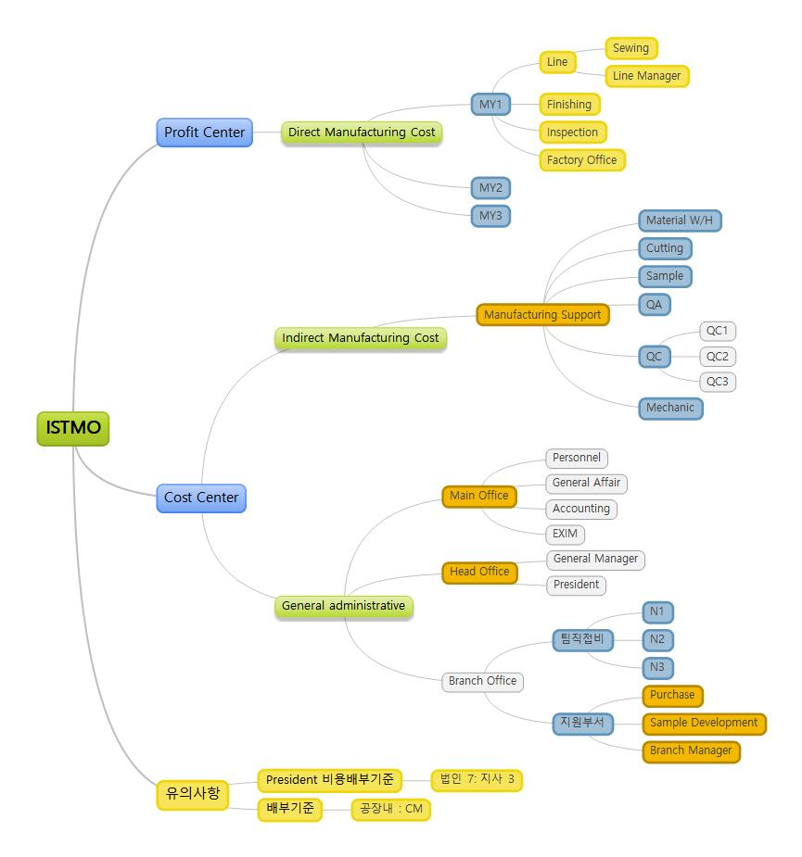

 | 2. IN-OUT Depot & Transaction

 |  |  | IN-OUT Type | Class1 | Class2 |  | Class3 |  | Depot / Transaction |  |  | 발생여부

 |  |  | Transfer | In-bound | Material W/H |  |  | (N/A) |  | Material W/H | : Material Warehouse | IN-OUT

 |  |  |  |  | Cutting |  |  | (N/A-통합재단) |  | C.Fabric W/H | : Cutting Fabric Warehouse | IN-OUT
 |  |  |  |  |  |  |  |  |  | Spreading & Cutting |  | IN-OUT
 |  |  |  |  |  |  |  |  |  | C.Bundle W/H | : Cutting Bundle Warehouse | IN-OUT
 |  |  |  |  |  |  |  |  |  | :
 |  |  |  |  |  |  |  | Factory 1 |  | Fac1-C.Fabric W/H |  | IN-OUT
 |  |  |  |  |  |  |  | (공장별 재단) |  | Fac1-Spreading & Cutting |  | IN-OUT
 |  |  |  |  |  |  |  |  |  | Fac1-C.Bundle W/H |  | IN-OUT

 |  |  |  |  | Sewing |  |  | (N/A-단일공장) |  | S.Bundle W/H | : Sewing Bundle Warehouse | IN-OUT
 |  |  |  |  |  |  |  |  |  | Sewing Line |  | IN-OUT
 |  |  |  |  |  |  |  |  |  | Garment Stock W/H | : Garment Stock Warehouse | IN-OUT
 |  |  |  |  |  |  |  |  |  | :
 |  |  |  |  |  |  |  | Factory 1 |  | Fac1-S.Bundle W/H |  | IN-OUT
 |  |  |  |  |  |  |  |  |  | Fac1-Sewing Line |  | IN-OUT
 |  |  |  |  |  |  |  |  |  | Fac1-Garment Stock W/H |  | IN-OUT

 |  |  |  | Out-bound | Sub-contract |  |  | (N/A) |  | (외주봉제업체) | * 업체별 개별등록

 |  |  |  |  | Sub-processing |  |  | (N/A) |  | (부속가공업체) | * 업체별 개별등록

 |  |  | Managing | (N/A) |  |  |  |  |  | Net-IN | * Material W/H 입고 전용 Transaction | IN

 |  |  |  |  |  |  |  |  |  | Sales | * 자재 및 제품 판매 | OUT
 |  |  |  |  |  |  |  |  |  | Disposal | * 폐기 | OUT
 |  |  |  |  |  |  |  |  |  | Loss | * 분실/도난 등 | OUT
 |  |  |  |  |  |  |  |  |  | Trans SPEC | * 자재 SPEC (File/Style 변경) 변경 | IN-OUT
 |  |  |  |  |  |  |  |  |  | Trans Location | * 자재 Location 변경 | -
 |  |  |  |  |  |  |  |  |  | Sample | * 샘플사용 | IN-OUT
 |  |  |  |  |  |  |  |  |  | Split | * 하나의 Roll 원단을 2개 이상의 Roll 로 분할 | IN-OUT
 |  |  |  |  |  |  |  |  |  | Adjusted | * 기타 재고조정 | IN-OUT

 | 3. 생산관리 INDEX 기초Data 집계용 Function Master

 |  | : HR 자료와 생산실적 Data 연계 집계 필요

 |  |  | Class1 | Class2 | Function |  |  | Remark

 |  |  | Sewing Factory | Sewing Line |  | Line Manager |  | * Sewing Line
 |  |  | (봉제공장) | (생산라인) |  | Technician |  | : 순수 Line / 법인내 공장별 생산성 측정을 위한 기준
 |  |  |  |  |  | Odd-job

 |  |  |  | Prod. Support |  | Material W/H |  | * Production Support
 |  |  |  | (생산지원) |  | Cutting |  | - 법인별 공장운영 특성에 따라 통합체계 상이함 원인, 공장별 생산성 측정 Data 로 부적합
 |  |  |  |  |  | Finishing |  | Prod. Support 기초Data 는 각 법인 전체를 기준으로 생산성지표 관리해야 함
 |  |  |  |  |  | Mechanic |  | Ex. 통합재단, 통합완성반, 통합공무 등
 |  |  |  |  |  | QA/QC |  | - 특정 법인 생산지원 조직의 경우, Main Office 소속 불구, 본사 생산관리Data 는 생산지원 별도 분류&집계
 |  |  |  |  |  | Factory Office

 |  |  | Main Office | (N/A) |  | Personnel / General Affair |  | * Main Office 내 구성Function 외 추가 Function 필요시, 마스터 추가 등록 진행
 |  |  | (법인공통) | (N/A) |  | Accounting
 |  |  |  | (N/A) |  | EXIM
 |  |  |  | (N/A) |  | Sample

 |  |  | 영업지사 분류필요

 |  |  | * Roll 분할 처리시, 기존 바코드외 분리된 신규 Roll 구분 바코드 생성 필요 -- 사전에 분리하는 작업이 필요함

통합계획
■ 글로벌 해외법인 및 영업지사 System 통합계획

 | Accounting Management System |  | Production Management System

 |  | : 글로벌 회계관리시스템 諸구축시, 현재 수기 비용집계 및 배부업무 자동화 처리 可

Financial Report (BS,PL)
법인
Global Accounting System
예산부서별 Expense
예산부서별 Expense
지사
베
트
남
본사 회계관리 시스템 (K-ONE)
매
출
액
본
사
영
업
팀
V지사
I지사
N지사
매
출
원
가
팀
직
접
비
본
사
지
원
본
사
공
통
諸지사비용
귀속&배부
PMS
해
외
생
산
법
인
공장별 손익현황

공장
선적현황

생산현황 (라인별,공장별)
공장별 생산현황
근태현황 (MHr)

기계현황

Financial Report (BS,PL)
법인
Global Accounting System
예산부서별 Expense
예산부서별 Expense
지사
니
카
라
과
생산관리지표
(생산성+비용효율)
재료비 및 외주가공비

인건비 (급여산출)

기타 제조경비

Main
Office
인건비 (급여산출)
대쉬보드

기타 제조경비
Financial Report (BS,PL)
지사
Global Accounting System
예산부서별 Expense
인
도
네
시
아

Data 연동
해외영업지사 예산부서별 비용집행내역
본사 집계 및 배부

Financial Report (BS,PL)
법인
Global Accounting System
예산부서별 Expense
미
얀
마

